Sheet1
data integration
 | statistical data integration
 |  | Risk
 |  |  | Introduction
 |  |  | Key concepts
 |  |  | Risk assessment process
 |  |  | risk assessment guidelines
 |  |  | Appendix A

 |  | Statistical data integration framework
 |  |  | High level principles for data integration involving Commonwealth data for statistical and research purposes
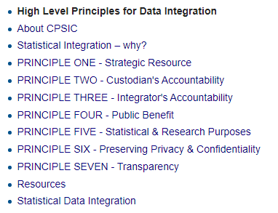

 |  |  | Data Integration Involving Commonwealth Data for Statistical and Research Purposes: Governance and Institutional Arrangements - Building a Safe and Effective Environment for Data Integration - Data.gov.au

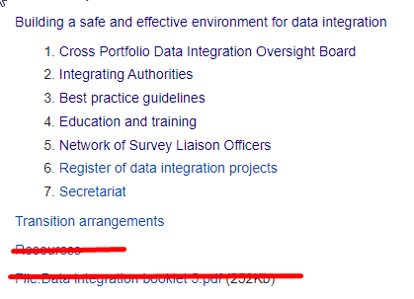
 |  |  |  |  |  |  | Don’t include principles - link back to previous page can be found here!

 |  |  | Cross Portfolio Data Integration Oversight Board: Terms of Reference

 |  |  | Legal and policy framework for IAs undertaking high risk projects Dec2013.pdf
 |  |  | Statistical Data Integration - Data.gov.au

 |  | Roels and responsibilities |  |  | tiles
 |  |  | three sub pages as is

 |  | Accredidation |  | tiles
 |  |  | three sub pages

 |  | A Guide to Data integration projects involving commonwealth data for statistical and research purposed
 |  |  | Confidentiality |  |  | tiles and sub pages
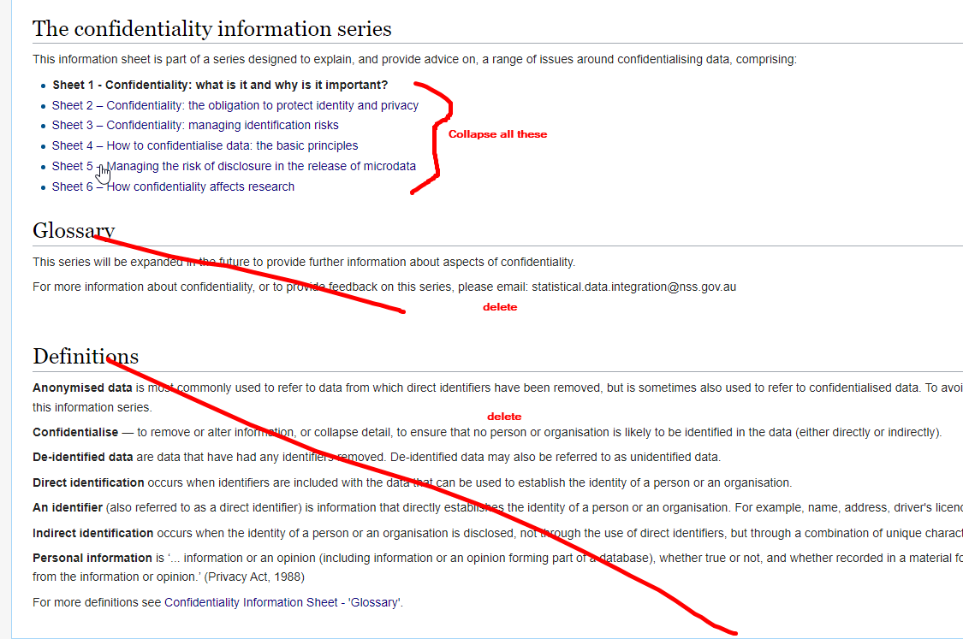

 |  |  | Linking |  |  | tiles and sub pages
 |  |  | commonwealth arrangements |  |  | tiles and sub pages

